Test Cases - Funtional
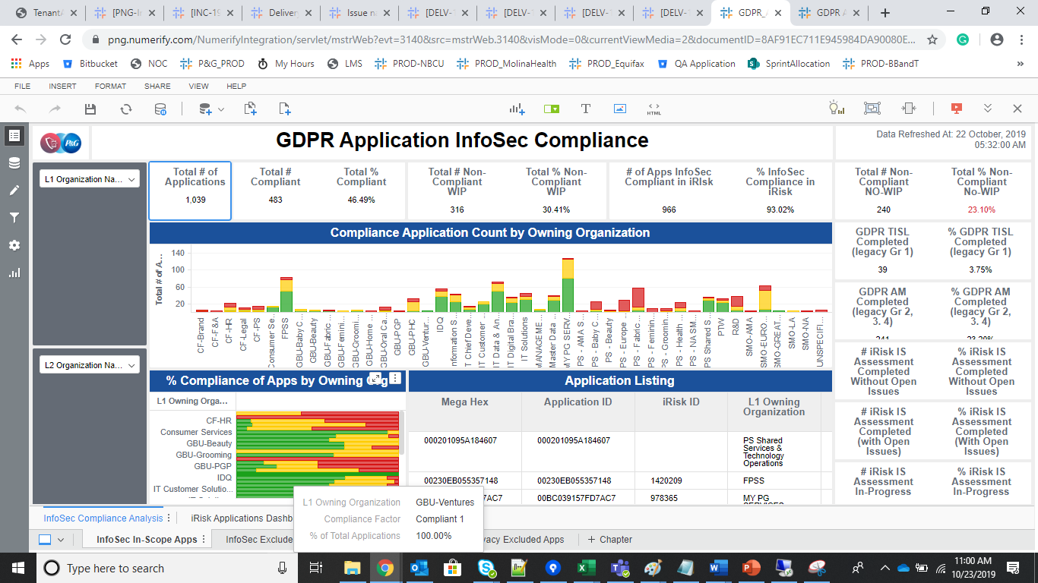
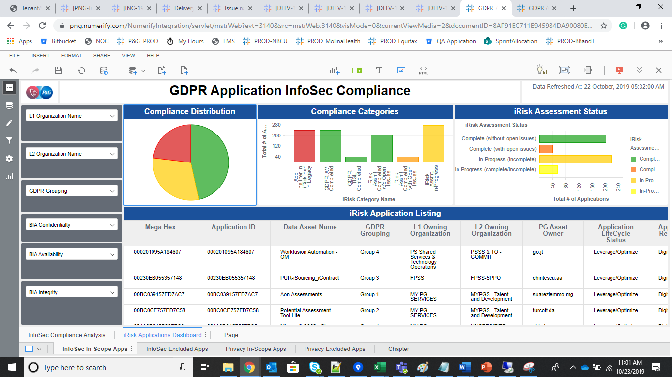
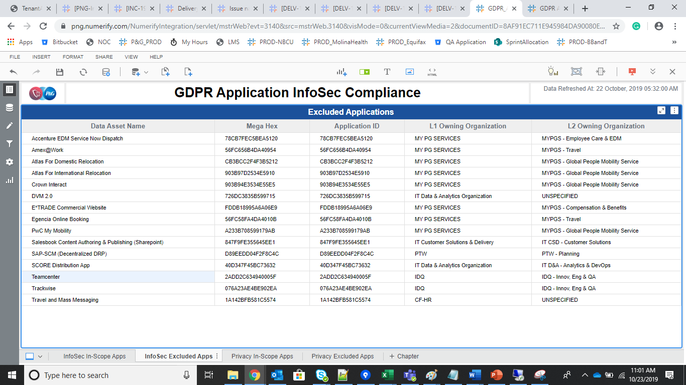
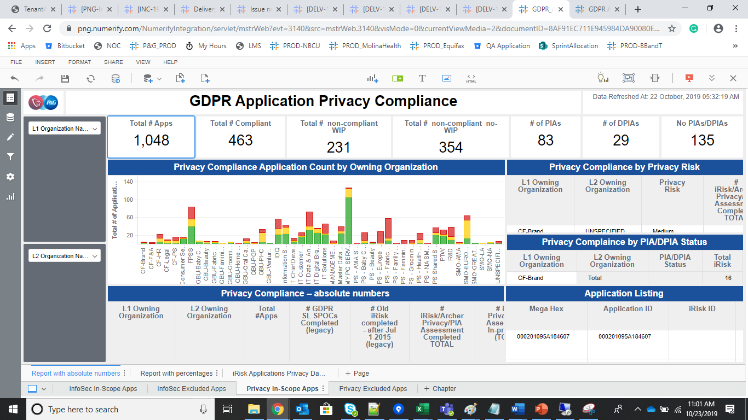
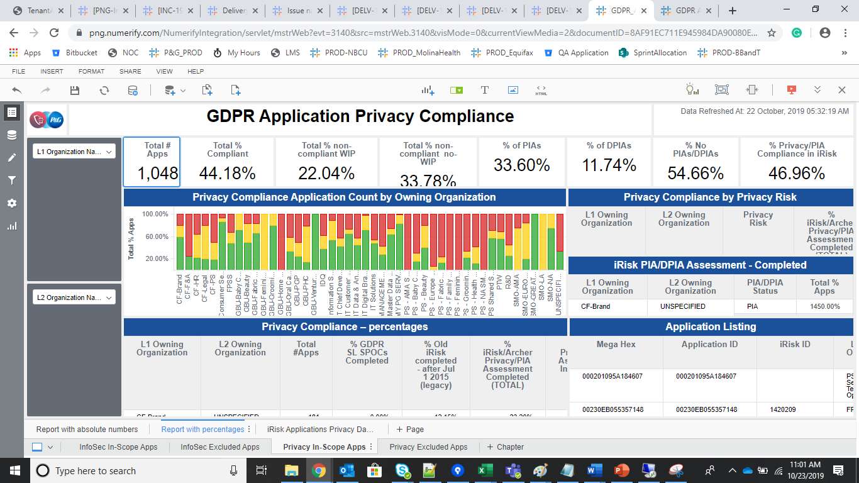
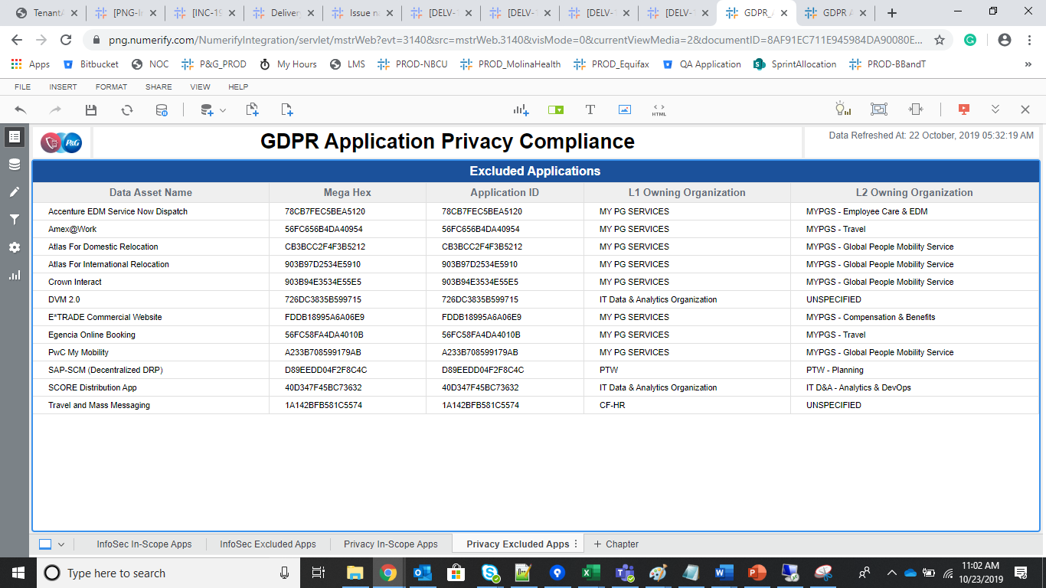
INDEX

TC_No | Test Case | Test Description | Expected Result | Actual Result | Result | Defect JIRA # | Comments
1 | DELV-19891 | To verify the INC-2042 in PROD instance. | Data privacy risk in the GDPR Application Tracker Should be a passthrough from the Source and should represent as UNSPECIFIED if Blank from source | Privacy Risk attribute has been populated from Snow and is populated as expected | Pass

GDPR Application Tracker

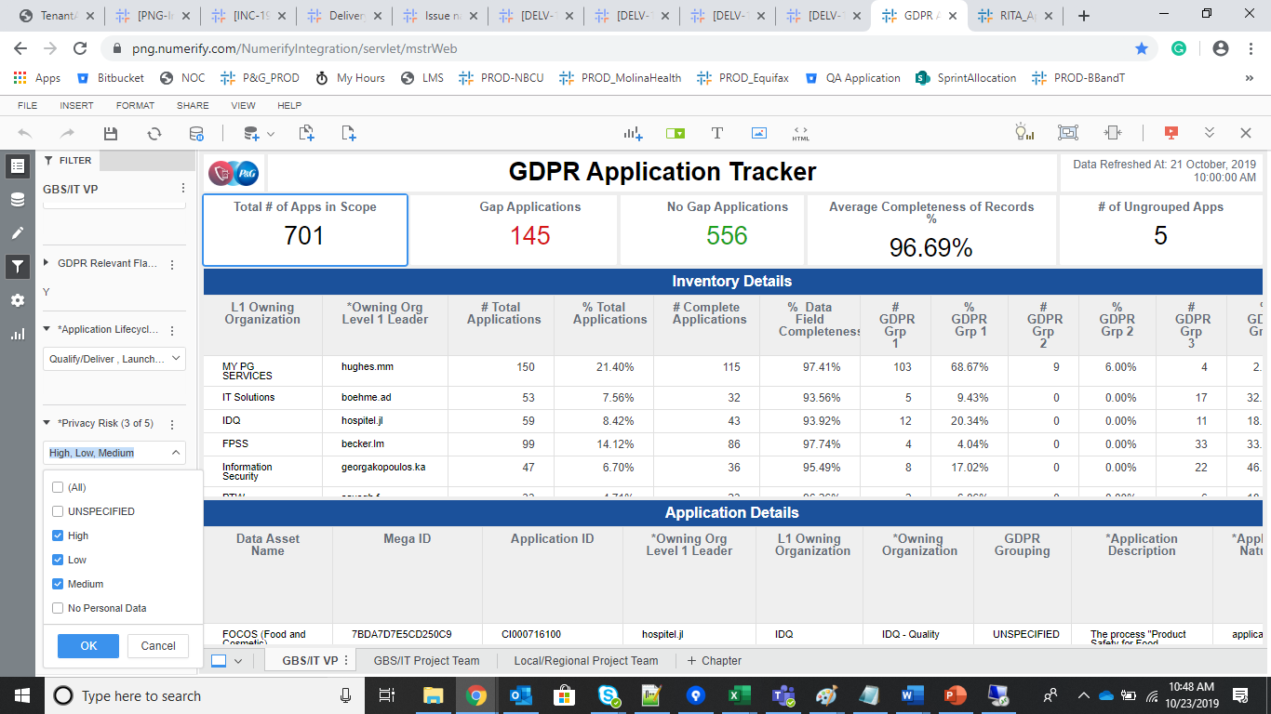
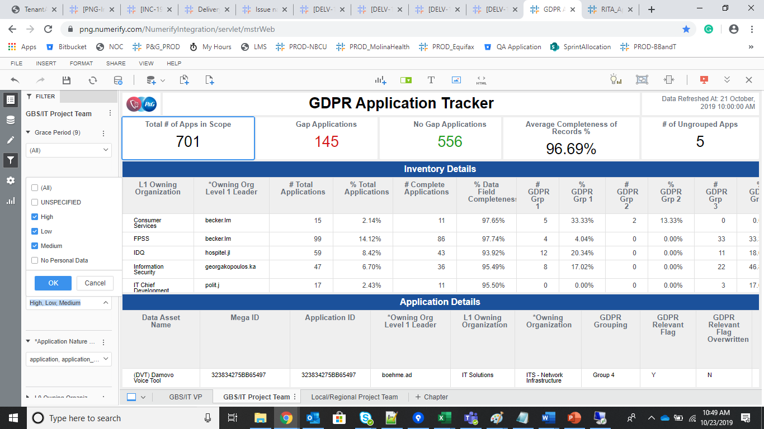
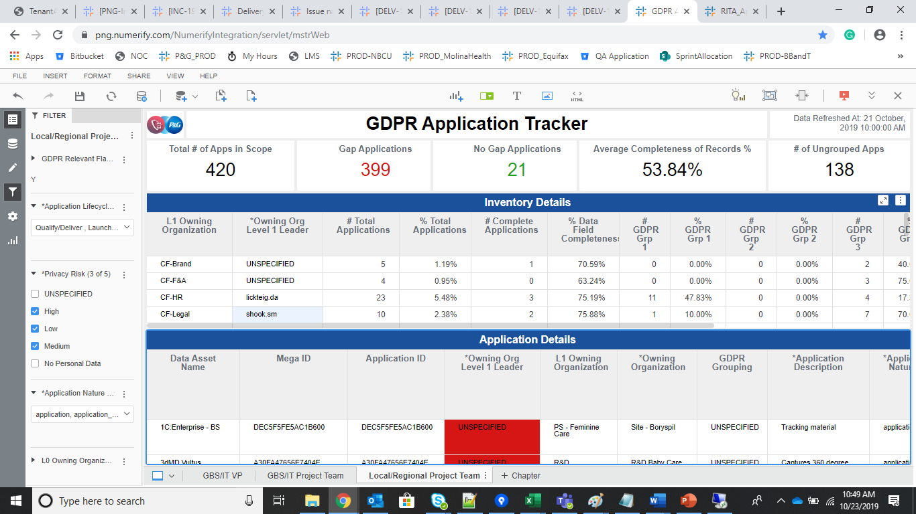

Thresholds

ITAM Application Governance_ cube

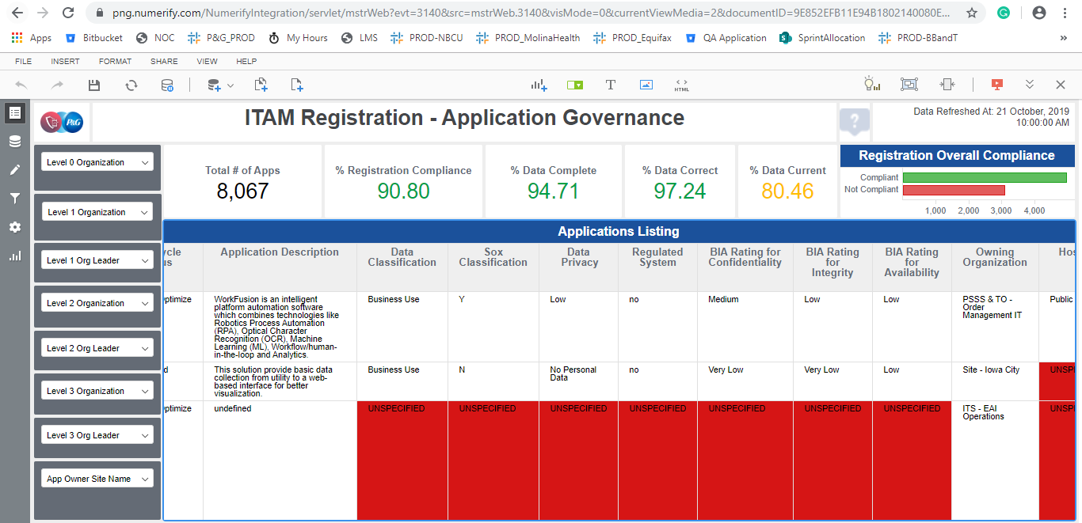
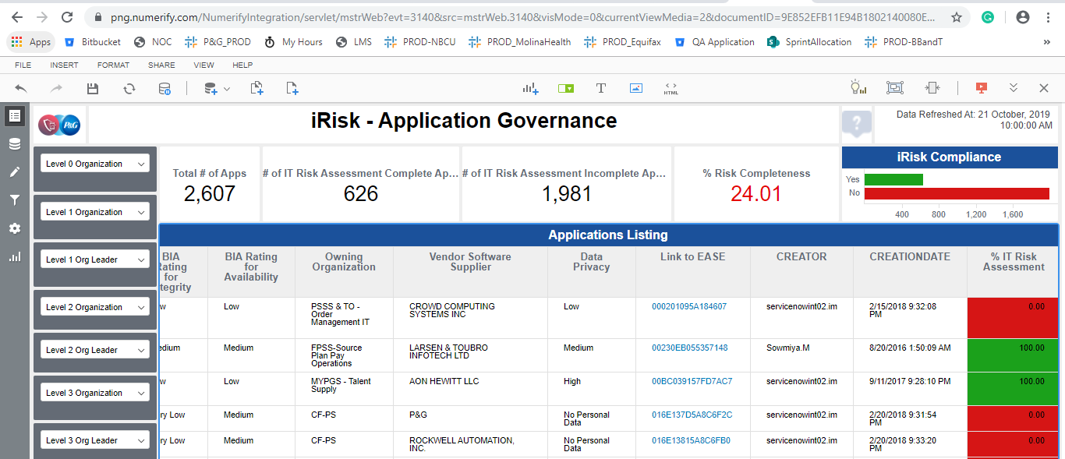

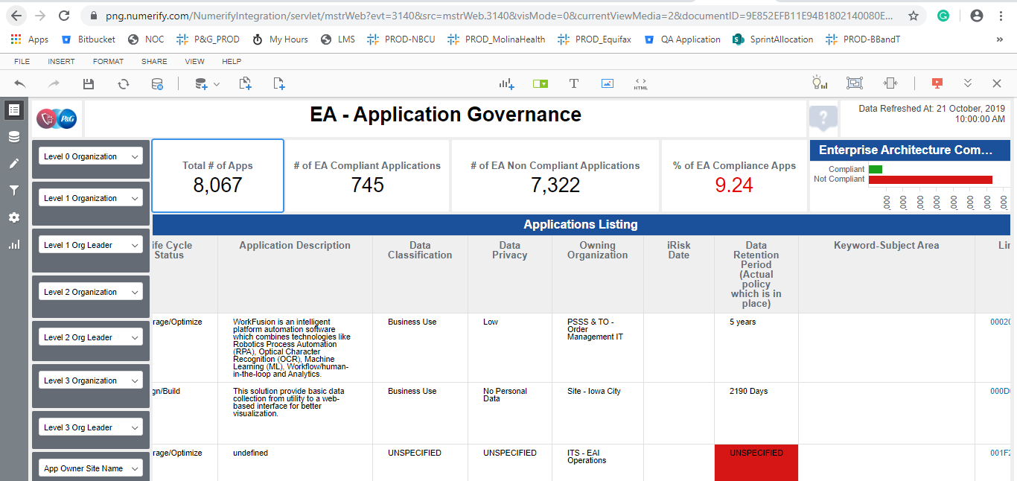

Infosec_Privacy_VI

